Assignment
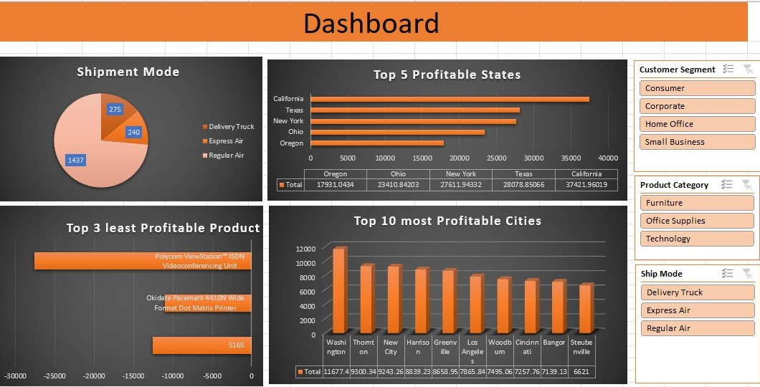
 | Import file ' Sales Data set ' with use of Power Query.
 | Sales Data set' contains 3 sheets, use Power Pivot to establish relationship, Query to Clean and upload the data into Data Model.
 | Create different Reports, Use maximum features offered in power pivot. Use Different types of appropriate Graphs/Charts
 | Use Slicers, Timeline, Formatting techniques to create a Dashboard.
 | Analyze the Dataset and Create a Dashboard.

 | Sample Reports:
 | Most Used Shipment Mode
 | Top 5 Profitable States
 | Top 3 least Profitable Product Sub- Categories
 | Top 10 most Profitable Cities

 | And any new insights you can gain out of the data

NOTE: | You can choose chart as per your preference, Below screenshot is added just for your reference

Sheet2
Dashboard

 | Total
Delivery Truck | 58758.022441
Express Air | 15567.7975
Regular Air | 149751.7919
 | Sum of Profit | Sum of Discount
Central | 77365.472669 | 27.66
East | 85291.403446 | 23.55
South | -14424.054379 | 22.02
West | 75844.790102 | 22.37
 | Total
Critical | 18.81
High | 20
Low | 20.39
Medium | 18.23
Not Specified | 18.17

 | Sum of Profit | Sum of Discount
Aaron Day | -38.808 | 95.6
Aaron Dillon | 3.3392 | 95.6
Aaron Riggs | 2823.64 | 95.6
Aaron Shaffer | 67.012 | 95.6
Adam G Sawyer | 797.3436 | 95.6
Adam Saunders Gray | -95.0475 | 95.6
Albert Frost | -7.58 | 95.6
Albert Maxwell | -193.58 | 95.6
Albert Tyson | -1128.19 | 95.6
Alex Harrell | 159.8056 | 95.6
Alex Nicholson | 128.8159 | 95.6
Alex Watkins | -534.82497732 | 95.6
Alexander O'Brien | 495.869 | 95.6
Alexandra Wise | -51.635 | 95.6
Alfred Barber | -14.225 | 95.6
Alfred Harmon | -6.835 | 95.6
Alfred Singh | -278.5979 | 95.6
Alice Berger McIntyre | 427.1184 | 95.6
Alice Coley | 159.5297 | 95.6
Alicia Curtis | -88.6 | 95.6
Alicia Maynard | 66.6426 | 95.6
Alicia Wood Shah | 881.4681 | 95.6
Alison Jones | -1852.6995 | 95.6
Alison Peters Wooten | -1763.7477 | 95.6
Alison Sharp | 1623.9495 | 95.6
Alison Stewart | 58.282 | 95.6
Allan Dickinson | -89.572 | 95.6
Allan Shields | -127.008 | 95.6
Allen Nash | 664.518 | 95.6
Allison Kirby | -54.2525 | 95.6
Alvin Hoover | -192.5532 | 95.6
Alvin Mullins | 32.83 | 95.6
Amanda Conner | -66.219 | 95.6
Amy Ellis Holder | 927.469 | 95.6
Amy Hall | 0.688 | 95.6
Amy Hamrick Melvin | -719.7228 | 95.6
Amy Shea | 73.3423 | 95.6
Amy York | -29.0656 | 95.6
Andrea Shaw | 6106.7269 | 95.6
Andrew Gonzalez | 662.07816 | 95.6
Andrew Levine | 313.49 | 95.6
Andrew Pearce | -78.7592 | 95.6
Angela Howe | -27.28375 | 95.6
Angela Rose | -65.298 | 95.6
Anita Hahn | -425.2084 | 95.6
Anita Kang | 1579.4128 | 95.6
Anita Kent | -7.96 | 95.6
Ann Katz | 20.6448 | 95.6
Ann Steele | 1789.7427 | 95.6
Anna Burgess | -181.102 | 95.6
...

